Volumetric Analysis
Sl No. | Brief Description | Remarks | Development Infra used for Volumeric Run
1 | Please find below the volumetric statistics performed on in-house development environment. Scope : On-Premise Teradata Data offload to HDFS in HDInsight Source Table Detail -------------------------- No of Columns in the source table:21 No of Datatypes supported:21 No of Rows :1000 Data Offload Performance Metrices ------------------------------------------------ Teradata offload to HDFS in HDInsight in Azure: 16 seconds | Please refer table structure for more detail | 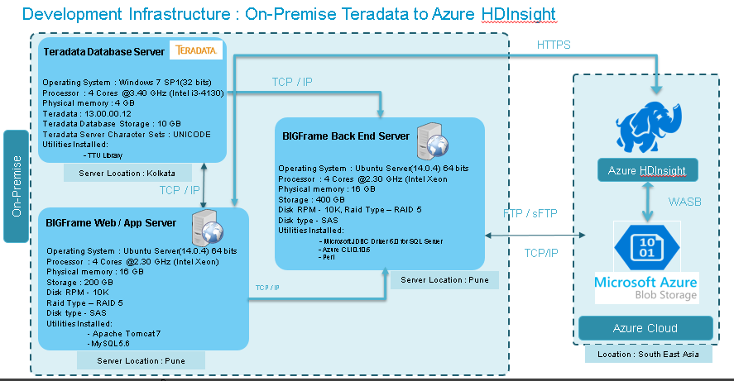
2 | Please find below the volumetric statistics performed on in-house development environment. Scope : On-Premise Teradata Data offload to Hive in HDInsight Source Table Detail -------------------------- No of Columns in the source table:21 No of Datatypes supported:21 No of Rows :1000 Data Offload Performance Metrices ------------------------------------------------ Teradata offload to Hive in HDInsight in Azure: 24 seconds

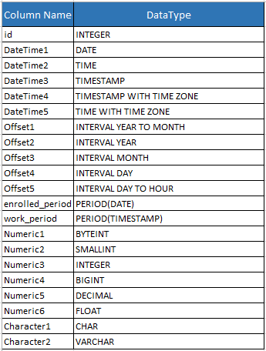
Table Structure used for Volumetric Test Run

